DAI 3.10-3.6.csv
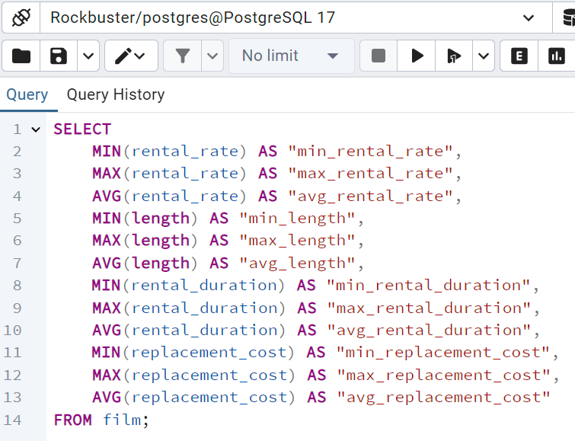
min_rental_rate | max_rental_rate | avg_rental_rate | min_length | max_length | avg_length | min_rental_duration | max_rental_duration | avg_rental_duration | min_replacement_cost | max_replacement_cost | avg_replacement_cost
0.99 | 4.99 | 2.98 | 46 | 185 | 115.272 | 3 | 7 | 4.985 | 9.99 | 29.99 | 19.984

DAI 3.10-3.7a
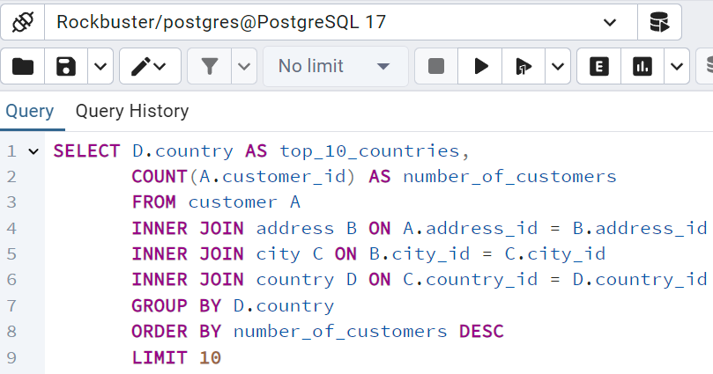
top_10_countries | number_of_customers
India | 60
China | 53
United States | 36
Japan | 31
Mexico | 30
Brazil | 28
Russian Federation | 28
Philippines | 20
Turkey | 15
Indonesia | 14

DAI 3.10-3.7b
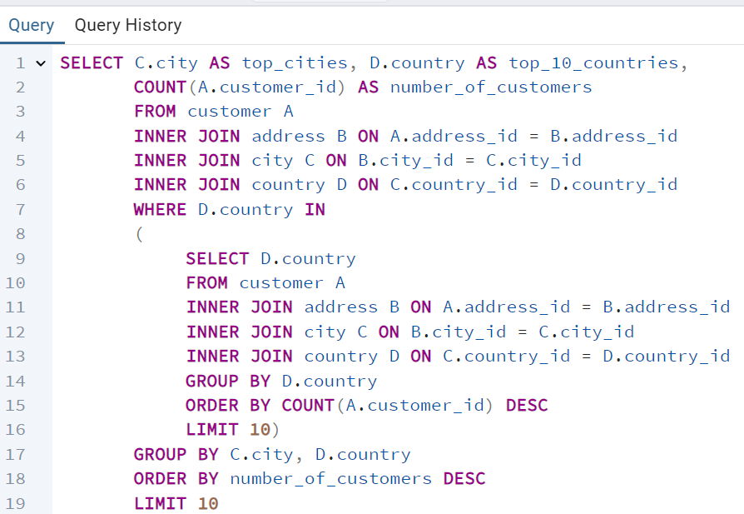
top_cities | top_10_countries | number_of_customers
Aurora | United States | 2
Atlixco | Mexico | 1
Xintai | China | 1
Adoni | India | 1
Dhule (Dhulia) | India | 1
Kurashiki | Japan | 1
Pingxiang | China | 1
Sivas | Turkey | 1
Celaya | Mexico | 1
So Leopoldo | Brazil | 1

DAI 3.10-3.7c
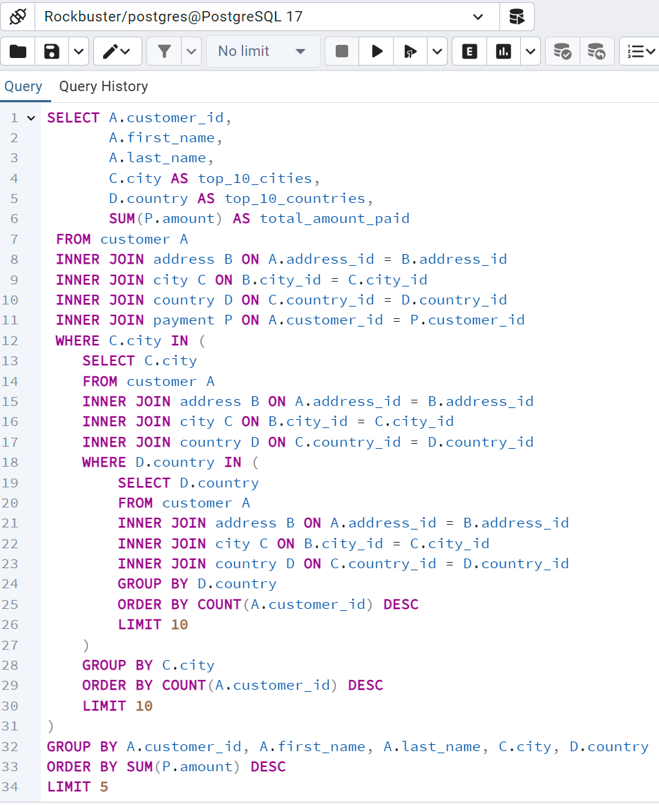
customer_id | first_name | last_name | top_10_cities | top_10_countries | total_amount_paid
566 | Casey | Mena | Tokat | Turkey | 130.68
84 | Sara | Perry | Atlixco | Mexico | 128.7
506 | Leslie | Seward | Pontianak | Indonesia | 123.72
389 | Alan | Kahn | Emeishan | China | 119.75
537 | Clinton | Buford | Aurora | United States | 98.76

